Sheet1
> summary(step_regression2)

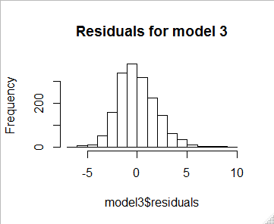
Call:
lm(formula = InterestRate ~ AmountFundedByInvestors + OpenCREDITLines +
InquiriesintheLast6Months + fico_average + LoanLength.60.months +
LoanPurpose.other + LoanPurpose.small_business + HomeOwnership.OWN +
HomeOwnership.NONE, data = training_sample)

Residuals:
Min 1Q Median 3Q Max
-6.4022 -1.3407 -0.1777 1.2270 9.3934

Coefficients:
Estimate Std. Error t value Pr(>|t|)
(Intercept) 7.203e+01 9.737e-01 73.982 < 2e-16 ***
AmountFundedByInvestors 1.588e-04 6.877e-06 23.094 < 2e-16 ***
OpenCREDITLines -5.337e-02 1.113e-02 -4.797 1.75e-06 ***
InquiriesintheLast6Months 4.194e-01 4.122e-02 10.175 < 2e-16 ***
fico_average -8.689e-02 1.354e-03 -64.191 < 2e-16 ***
LoanLength.60.months 3.130e+00 1.254e-01 24.964 < 2e-16 ***
LoanPurpose.other 6.178e-01 1.780e-01 3.470 0.000534 ***
LoanPurpose.small_business 6.717e-01 2.513e-01 2.673 0.007589 **
HomeOwnership.OWN 4.761e-01 1.791e-01 2.659 0.007906 **
HomeOwnership.NONE 3.900e+00 1.973e+00 1.977 0.048198 *
---
Signif. codes: 0 ‘***’ 0.001 ‘**’ 0.01 ‘*’ 0.05 ‘.’ 0.1 ‘ ’ 1

Residual standard error: 1.961 on 1740 degrees of freedom
Multiple R-squared: 0.7794, Adjusted R-squared: 0.7782
F-statistic: 682.9 on 9 and 1740 DF, p-value: < 2.2e-16

